Bug-Report
Bug Report
 |  | Environment: Android Marshmallow 6.0.1
ID | Brief description | Detailed description | Steps to reproduce | Repro- ducibility | Severity | Attachments
B-1 | The icons on the home screen are shifted. | Act: The button to open the side menu in the action bar does not fit into the screen borders. Exp: The icons on the home screen are fully displayed within the screen borders. | 1. Open the app. 2. Bug appears. | Always | S4
B-2 | Entering values higher than allowed in the settings. | Act: In the settings, you can set points higher than the maximum allowed value for the total score of the game. Exp: In the settings, you can set the value in the range [0-300]. Req: page 2 "Экран лиги". | 1. Open the app. 2. Open Settings. 3. Enter 400 in both fields. 4. Click Ok. 5. Bug appears. | Always | S4 | 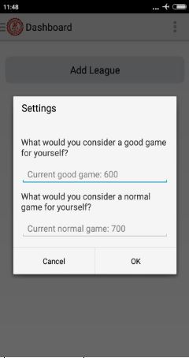
B-3 | The "Delit this league" button does not react the first time when editing a league. | Act: The "Delit this league" button does not react the first time when editing a league. Exp: The "Delit this league" button reacts the first time you edit the league. | 1. Open the app. 2. Click "Add League" and enter "League 1" in the league name field. 3. Click OK. 4. Open the side menu. 5. Open "Rename or delit league". 6. Enter "Delit this league". 7. Bug appears. | Often | S3
B-4 | Changes when editing a League are not displayed immediately. | Act: When you edit a league, the changes are not displayed immediately. Exp: When you edit a league, the changes are displayed immediately. | 1. Open the app. 2. Click "Add League" and enter "League 1" in the league name field. 3. Click OK. 4. Open the side menu. 5. Open "Rename or delit league". 6. Enter "Лига 32". 7. Click Ok. 8. Bug appears. 9. Restart the app to see the changes. | Always | S2
B-5 | When you go to settings, a modal window is created. | Act: When you go to settings, a modal window is created that blocks the back button on the device. Exp: The app should not have modal windows. Req: page 1 "Общее". | 1. Open the app. 2. Open the settings. 3. Press the system back button. 4. Bug appears. | Always | S2
B-6 | When you click "Add game", a modal window is created. | Act: When you click "Add game", a modal window is created. Exp: The app should not have modal windows. Req: page 1 "Общее". | 1. Open the app. 2. Click "Add League" and enter "League 1" in the league name field. 3. Click OK. 4. Click "Add game" 5. Press the system back button. 6. Bug appears. | Always | S3
B-7 | Creating a modal window when editing a game. | Act: Creating a modal window when editing a game. Exp: The app should not have modal windows. Req: page 1 "Общее". | 1. Open the app. 2. Click "Add League" and enter "League 1" in the league name field. 3. Click OK. 4. Click "Add game" 5. Enter "Game 1", click Ok. 6. Click "Game 1". 7. Press the system back button. 8. Bug appears. | Always | S3
B-8 | When you change the screen orientation, the app closes any editing windows. | Act: When you change the screen orientation, the app closes any editing windows. Exp: When you change the screen orientation, all open windows remain open. | 1. Open the app. 2. Open Settings. 3. Rotate the screen. 4. Bug appears. | Always | S2
B-9 | When you double-click on button, the pop-up window opens in two copies. | Act: Double-clicking on the Add Game window opens two windows at once. Exp: Double-clicking on a window opens only one pop-up window. | 1. Open the app. 2. Click "Add League" and enter "League 1" in the league name field. 3. Click OK. 4. Double-click on the "Add Game" button. 5. Bug appears. | Always | S3
B-10 | The indicator of normal and good games does not work out at the minimum value. | Act: The indicator of normal and good games does not work out at the minimum value. Exp: The indicator of normal and good games works even when you enter the minimum configured value. | 1. Open the app. 2. In the settings, set the values for a good game to 200, for a normal game to 100, click OK. 3. Click "Add League" and enter "League 1" in the league name field. 4. Сlick on the "Add Game" button. 5. Add a game with a score of 100. 6. Bug appears. 7. Сlick on the "Add Game" button. 8. Add a game with a score of 100. 9. Bug appears. | Always | S4
B-11 | In the settings, you can set the values for a normal game higher than the values for a good game. | Act: In the settings, you can set the values for a normal game higher than the values for a good game. Exp: The possibility of setting the values for a normal game higher than the values for a good game should be excluded. | 1. Open the app. 2. In the settings, set the values for a good game to 100, for a normal game to 200. 3. Click OK. 4. Bug appears. | Always | S3
B-12 | In the league name, you can enter values with a space (empty name). | Act: In the league name, you can enter values with a space (empty name). Exp: You can't enter empty values in the league name. | 1. Open the app. 2. Click "Add a League" and enter the space (" ") in the league name field. 3. Click OK. 4. Bug appears. | Always | S3
B-13 | You can enter the same league names in the league name. | Act: You can enter the same league names in the league name. Exp: You can't enter the same league names in the league name. | 1. Open the app. 2. Click "Add League" and enter "League 1" in the league name field. 3. Click OK. 4. Click "Add League" and enter "League 1" in the league name field. 5. Click OK. 6. Bug appears. | Always | S3
B-14 | After adding 15 leagues in the side menu, the 15th league does not have the ability to edit it. | Act: After adding 15 leagues to the side menu, the 15th league has no editing option. Exp: After adding the leagues, you can edit them. | 1. Open the app. 2. Click "Add League" and enter "1" in the league name field, click OK. 3. Repeat the second step 14 times, each time adding +1 to the value of the league name. 4. Click on the side bar. 5. Bug appears. | Always | S2 | 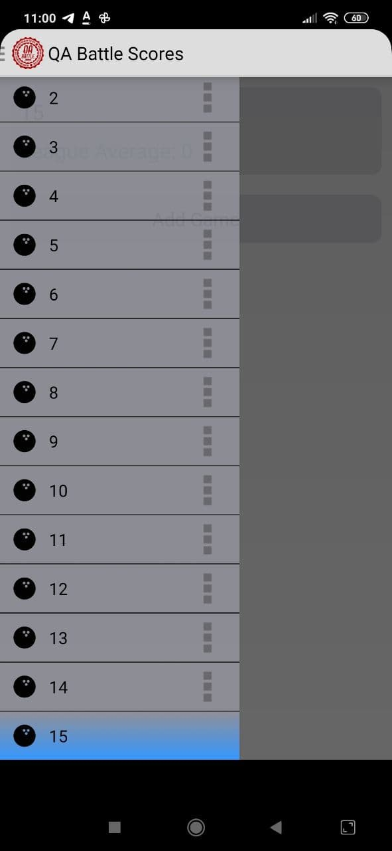
B-15 | The app crashes when trying to add a game to an edited league. | Act: The app crashes when trying to add a game to an edited league. Restart is not possible. Exp: The app should not crash. | 1. Open the app. 2. Click "Add League" and enter "League 1" in the league name field. 3. Click OK. 4. Click "League 1". 5. Change the name of the League to "League 2". 6. Click "Add Game", call it " Game 1" and click Ok. 7. Bug appears. | Always | S1

